Sheet1
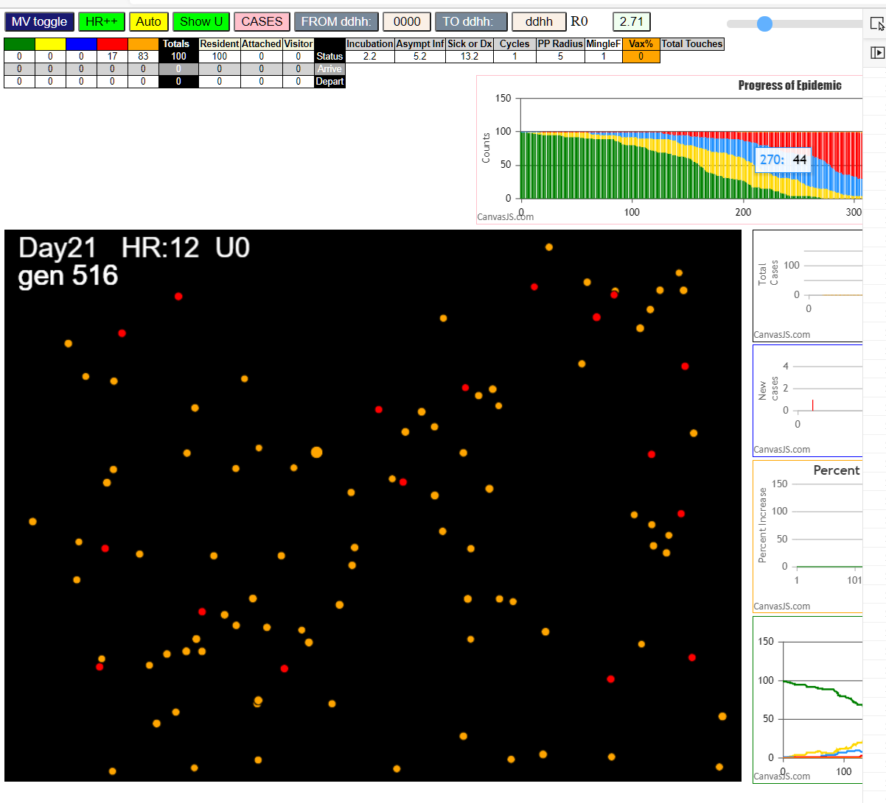

Some messages have been moved to the Issues panel.
​ CovidSIMVL 2021.02.20 version = SingleU graph to line; Comp; States output per gen
​ Thu Feb 25 2021 19:45:00 GMT-0800 (Pacific Standard Time)
​ CovidSIMVL Feb 2021 supports CaseInfDays + HzR + mingleFactor/Univ + popnAges + Multiverse + RiskFactor
​ CovidSIMVL Vax by VisibleU any day for n% remaining susceptibe; Mode1 and Mode2 two jabs
​ Mode 1 >13 and <36 is 75%
​ Mode 2 >28 is 95%; >13 and <29 is 75%
​ exit covidSim
​ getAsText File
​ File
​ getAsText File
​ File
​ Structure U0 gen0 100:0:0:0:0
​ Structure S0 gen0 100:0:0:0:0
​ Structure U0 gen1 99:0:1:0:0
​ Structure S0 gen1 99:0:1:0:0
​ 1I x:ageGp:fam 86:0:-1 by blue 10:5:-1 at gen6 Univ0 prob=0.472
​ Structure U0 gen7 98:1:1:0:0
​ Structure S0 gen7 98:1:1:0:0
​ 2I x:ageGp:fam 52:0:-1 by blue 10:5:-1 at gen11 Univ0 prob=0.408
​ Structure U0 gen12 97:2:1:0:0
​ Structure S0 gen12 97:2:1:0:0
​ 3I x:ageGp:fam 46:0:-1 by blue 10:5:-1 at gen15 Univ0 prob=0.722
​ Structure U0 gen16 96:3:1:0:0
​ Structure S0 gen16 96:3:1:0:0
​ 4I x:ageGp:fam 98:0:-1 by red 10:5:-1 at gen19 Univ0 prob=0.856
​ Structure U0 gen19 96:3:0:1:0
​ Structure S0 gen19 96:3:0:1:0
​ Structure U0 gen20 95:4:0:1:0
​ Structure S0 gen20 95:4:0:1:0
​ 5I x:ageGp:fam 60:0:-1 by red 10:5:-1 at gen36 Univ0 prob=0.700
​ Structure U0 gen37 94:5:0:1:0
​ Structure S0 gen37 94:5:0:1:0
​ 6I x:ageGp:fam 25:0:-1 by red 10:5:-1 at gen38 Univ0 prob=0.069
​ 6I x:ageGp:fam 69:0:-1 by red 10:5:-1 at gen39 Univ0 prob=0.874
​ Structure U0 gen39 93:6:0:1:0
​ Structure S0 gen39 93:6:0:1:0
​ Structure U0 gen40 92:7:0:1:0
​ Structure S0 gen40 92:7:0:1:0
​ 8I x:ageGp:fam 84:0:-1 by red 10:5:-1 at gen53 Univ0 prob=0.940
​ Structure U0 gen54 91:8:0:1:0
​ Structure S0 gen54 91:8:0:1:0
​ 9I x:ageGp:fam 77:0:-1 by red 10:5:-1 at gen57 Univ0 prob=0.460
​ Structure U0 gen58 90:9:0:1:0
​ Structure S0 gen58 90:9:0:1:0
​ Structure U0 gen62 90:8:1:1:0
​ Structure S0 gen62 90:8:1:1:0
​ Structure U0 gen63 90:7:2:1:0
​ Structure S0 gen63 90:7:2:1:0
​ Structure U0 gen64 90:6:3:1:0
​ Structure S0 gen64 90:6:3:1:0
​ 10I x:ageGp:fam 45:0:-1 by blue 86:0:-1 at gen65 Univ0 prob=0.022
​ Structure U0 gen66 89:7:3:1:0
​ Structure S0 gen66 89:7:3:1:0
​ Structure U0 gen72 89:6:4:1:0
​ Structure S0 gen72 89:6:4:1:0
​ 11I x:ageGp:fam 38:0:-1 by blue 52:0:-1 at gen84 Univ0 prob=0.426
​ 11I x:ageGp:fam 59:0:-1 by blue 52:0:-1 at gen84 Univ0 prob=0.015
​ 11I x:ageGp:fam 94:0:-1 by red 10:5:-1 at gen85 Univ0 prob=0.522
​ Structure U0 gen85 87:8:4:1:0
​ Structure S0 gen85 87:8:4:1:0
​ Structure U0 gen86 86:9:4:1:0
​ Structure S0 gen86 86:9:4:1:0
​ Structure U0 gen87 86:8:5:1:0
​ Structure S0 gen87 86:8:5:1:0
​ 14I x:ageGp:fam 53:0:-1 by yellow 25:0:-1 at gen88 Univ0 prob=0.845
​ 14I x:ageGp:fam 0:0:-1 by red 10:5:-1 at gen89 Univ0 prob=0.227
​ Structure U0 gen89 85:9:5:1:0
​ Structure S0 gen89 85:9:5:1:0
​ Structure U0 gen90 84:10:5:1:0
​ Structure S0 gen90 84:10:5:1:0
​ 16I x:ageGp:fam 8:0:-1 by blue 86:0:-1 at gen91 Univ0 prob=0.394
​ 16I x:ageGp:fam 15:0:-1 by blue 25:0:-1 at gen91 Univ0 prob=0.572
​ 16I x:ageGp:fam 75:0:-1 by blue 25:0:-1 at gen91 Univ0 prob=0.041
​ Structure U0 gen91 84:8:7:1:0
​ Structure S0 gen91 84:8:7:1:0
​ Structure U0 gen92 81:11:7:1:0
​ Structure S0 gen92 81:11:7:1:0
​ 19I x:ageGp:fam 2:0:-1 by red 10:5:-1 at gen94 Univ0 prob=0.404
​ Structure U0 gen95 80:12:7:1:0
​ Structure S0 gen95 80:12:7:1:0
​ 20I x:ageGp:fam 80:0:-1 by red 10:5:-1 at gen103 Univ0 prob=0.094
​ 20I x:ageGp:fam 48:0:-1 by blue 46:0:-1 at gen104 Univ0 prob=0.173
​ Structure U0 gen104 79:13:7:1:0
​ Structure S0 gen104 79:13:7:1:0
​ Structure U0 gen105 78:14:7:1:0
​ Structure S0 gen105 78:14:7:1:0
​ Structure U0 gen106 78:12:9:1:0
​ Structure S0 gen106 78:12:9:1:0
​ 22I x:ageGp:fam 39:0:-1 by blue 86:0:-1 at gen108 Univ0 prob=0.569
​ Structure U0 gen109 77:13:9:1:0
​ Structure S0 gen109 77:13:9:1:0
​ 23I x:ageGp:fam 3:0:-1 by blue 69:0:-1 at gen112 Univ0 prob=0.282
​ 23I x:ageGp:fam 63:0:-1 by blue 69:0:-1 at gen113 Univ0 prob=0.595
​ Structure U0 gen113 76:14:9:1:0
​ Structure S0 gen113 76:14:9:1:0
​ 24I x:ageGp:fam 61:0:-1 by blue 46:0:-1 at gen114 Univ0 prob=0.001
​ Structure U0 gen114 75:15:9:1:0
​ Structure S0 gen114 75:15:9:1:0
​ 25I x:ageGp:fam 18:0:-1 by yellow 45:0:-1 at gen115 Univ0 prob=0.874
​ Structure U0 gen115 74:16:9:1:0
​ Structure S0 gen115 74:16:9:1:0
​ Structure U0 gen116 73:17:9:1:0
​ Structure S0 gen116 73:17:9:1:0
​ 27I x:ageGp:fam 95:0:-1 by blue 69:0:-1 at gen117 Univ0 prob=0.487
​ Structure U0 gen118 72:18:9:1:0
​ Structure S0 gen118 72:18:9:1:0
​ 28I x:ageGp:fam 31:0:-1 by red 10:5:-1 at gen120 Univ0 prob=0.364
​ Structure U0 gen120 72:17:10:1:0
​ Structure S0 gen120 72:17:10:1:0
​ Structure U0 gen121 71:18:10:1:0
​ Structure S0 gen121 71:18:10:1:0
​ 29I x:ageGp:fam 78:0:-1 by blue 69:0:-1 at gen122 Univ0 prob=0.974
​ 29I x:ageGp:fam 68:0:-1 by blue 46:0:-1 at gen123 Univ0 prob=0.631
​ Structure U0 gen123 70:19:10:1:0
​ Structure S0 gen123 70:19:10:1:0
​ Structure U0 gen124 69:20:10:1:0
​ Structure S0 gen124 69:20:10:1:0
​ Structure U0 gen128 69:20:9:2:0
​ Structure S0 gen128 69:20:9:2:0
​ Structure U0 gen129 69:20:8:3:0
​ Structure S0 gen129 69:20:8:3:0
​ 31I x:ageGp:fam 36:0:-1 by blue 60:0:-1 at gen131 Univ0 prob=0.386
​ 31I x:ageGp:fam 79:0:-1 by blue 77:0:-1 at gen132 Univ0 prob=0.179
​ Structure U0 gen132 68:21:8:3:0
​ Structure S0 gen132 68:21:8:3:0
​ Structure U0 gen133 67:22:8:3:0
​ Structure S0 gen133 67:22:8:3:0
​ Structure U0 gen134 67:22:7:4:0
​ Structure S0 gen134 67:22:7:4:0
​ Structure U0 gen135 67:21:8:4:0
​ Structure S0 gen135 67:21:8:4:0
​ 33I x:ageGp:fam 67:0:-1 by blue 25:0:-1 at gen136 Univ0 prob=0.713
​ 33I x:ageGp:fam 37:0:-1 by blue 69:0:-1 at gen136 Univ0 prob=0.722
​ Structure U0 gen137 65:22:9:4:0
​ Structure S0 gen137 65:22:9:4:0
​ Structure U0 gen138 65:22:8:5:0
​ Structure S0 gen138 65:22:8:5:0
​ 35I x:ageGp:fam 29:0:-1 by yellow 8:0:-1 at gen140 Univ0 prob=0.648
​ 35I x:ageGp:fam 88:0:-1 by blue 77:0:-1 at gen141 Univ0 prob=0.132
​ Structure U0 gen141 64:21:10:5:0
​ Structure S0 gen141 64:21:10:5:0
​ Structure U0 gen142 63:21:11:5:0
​ Structure S0 gen142 63:21:11:5:0
​ Structure U0 gen143 63:20:12:5:0
​ Structure S0 gen143 63:20:12:5:0
​ Structure U0 gen144 63:19:13:5:0
​ Structure S0 gen144 63:19:13:5:0
​ 37I x:ageGp:fam 89:0:-1 by blue 84:0:-1 at gen147 Univ0 prob=0.814
​ Structure U0 gen147 63:18:14:5:0
​ Structure S0 gen147 63:18:14:5:0
​ Structure U0 gen148 62:18:15:5:0
​ Structure S0 gen148 62:18:15:5:0
​ 38I x:ageGp:fam 14:0:-1 by blue 59:0:-1 at gen149 Univ0 prob=0.025
​ Structure U0 gen150 61:19:15:5:0
​ Structure S0 gen150 61:19:15:5:0
​ 39I x:ageGp:fam 82:0:-1 by blue 77:0:-1 at gen151 Univ0 prob=0.583
​ Structure U0 gen152 60:20:15:5:0
​ Structure S0 gen152 60:20:15:5:0
​ 40I x:ageGp:fam 42:0:-1 by yellow 80:0:-1 at gen153 Univ0 prob=0.796
​ Structure U0 gen153 60:20:13:7:0
​ Structure S0 gen153 60:20:13:7:0
​ 40I x:ageGp:fam 4:0:-1 by red 60:0:-1 at gen154 Univ0 prob=0.113
​ 40I x:ageGp:fam 81:0:-1 by red 98:0:-1 at gen154 Univ0 prob=0.306
​ Structure U0 gen154 59:21:13:7:0
​ Structure S0 gen154 59:21:13:7:0
​ 41I x:ageGp:fam 72:0:-1 by yellow 4:0:-1 at gen155 Univ0 prob=0.798
​ 41I x:ageGp:fam 91:0:-1 by red 98:0:-1 at gen155 Univ0 prob=0.638
​ Structure U0 gen155 57:23:13:7:0
​ Structure S0 gen155 57:23:13:7:0
​ Structure U0 gen156 55:24:14:7:0
​ Structure S0 gen156 55:24:14:7:0
​ 45I x:ageGp:fam 71:0:-1 by yellow 82:0:-1 at gen157 Univ0 prob=0.609
​ Structure U0 gen157 55:23:15:7:0
​ Structure S0 gen157 55:23:15:7:0
​ 45I x:ageGp:fam 33:0:-1 by blue 48:0:-1 at gen158 Univ0 prob=0.588
​ Structure U0 gen158 54:24:15:7:0
​ Structure S0 gen158 54:24:15:7:0
​ Structure U0 gen159 53:24:16:7:0
​ Structure S0 gen159 53:24:16:7:0
​ 47I x:ageGp:fam 11:0:-1 by blue 38:0:-1 at gen160 Univ0 prob=0.444
​ 47I x:ageGp:fam 49:0:-1 by blue 15:0:-1 at gen160 Univ0 prob=0.543
​ 47I x:ageGp:fam 65:0:-1 by blue 25:0:-1 at gen160 Univ0 prob=0.998
​ 47I x:ageGp:fam 99:0:-1 by blue 0:0:-1 at gen161 Univ0 prob=0.715
​ 47I x:ageGp:fam 50:0:-1 by red 25:0:-1 at gen161 Univ0 prob=0.699
​ Structure U0 gen161 50:26:16:8:0
​ Structure S0 gen161 50:26:16:8:0
​ Structure U0 gen162 48:28:16:8:0
​ Structure S0 gen162 48:28:16:8:0
​ 52I x:ageGp:fam 43:0:-1 by red 98:0:-1 at gen163 Univ0 prob=0.751
​ 52I x:ageGp:fam 34:0:-1 by yellow 11:0:-1 at gen164 Univ0 prob=0.850
​ Structure U0 gen164 47:28:17:8:0
​ Structure S0 gen164 47:28:17:8:0
​ 53I x:ageGp:fam 32:0:-1 by blue 75:0:-1 at gen165 Univ0 prob=0.200
​ 53I x:ageGp:fam 55:0:-1 by blue 75:0:-1 at gen165 Univ0 prob=0.123
​ 53I x:ageGp:fam 87:0:-1 by red 60:0:-1 at gen165 Univ0 prob=0.813
​ Structure U0 gen165 46:29:17:8:0
​ Structure S0 gen165 46:29:17:8:0
​ 54I x:ageGp:fam 5:0:-1 by blue 15:0:-1 at gen166 Univ0 prob=0.199
​ 54I x:ageGp:fam 92:0:-1 by blue 15:0:-1 at gen166 Univ0 prob=0.464
​ Structure U0 gen166 43:31:18:8:0
​ Structure S0 gen166 43:31:18:8:0
​ 57I x:ageGp:fam 96:0:-1 by blue 94:0:-1 at gen167 Univ0 prob=0.478
​ Structure U0 gen167 41:33:18:8:0
​ Structure S0 gen167 41:33:18:8:0
​ Structure U0 gen168 40:34:17:9:0
​ Structure S0 gen168 40:34:17:9:0
​ 60I x:ageGp:fam 7:0:-1 by blue 94:0:-1 at gen169 Univ0 prob=0.310
​ Structure U0 gen169 40:32:19:9:0
​ Structure S0 gen169 40:32:19:9:0
​ Structure U0 gen170 39:33:19:9:0
​ Structure S0 gen170 39:33:19:9:0
​ 61I x:ageGp:fam 20:0:-1 by blue 8:0:-1 at gen171 Univ0 prob=0.312
​ Structure U0 gen172 38:32:21:9:0
​ Structure S0 gen172 38:32:21:9:0
​ 62I x:ageGp:fam 66:0:-1 by blue 2:0:-1 at gen173 Univ0 prob=0.667
​ Structure U0 gen174 37:33:21:9:0
​ Structure S0 gen174 37:33:21:9:0
​ 63I x:ageGp:fam 73:0:-1 by blue 0:0:-1 at gen175 Univ0 prob=0.425
​ Structure U0 gen175 37:33:20:10:0
​ Structure S0 gen175 37:33:20:10:0
​ 63I x:ageGp:fam 40:0:-1 by blue 75:0:-1 at gen176 Univ0 prob=0.441
​ 63I x:ageGp:fam 85:0:-1 by blue 75:0:-1 at gen176 Univ0 prob=0.128
​ Structure U0 gen176 36:34:20:10:0
​ Structure S0 gen176 36:34:20:10:0
​ Structure U0 gen177 34:36:20:10:0
​ Structure S0 gen177 34:36:20:10:0
​ Structure U0 gen178 34:35:21:10:0
​ Structure S0 gen178 34:35:21:10:0
​ 66I x:ageGp:fam 97:0:-1 by blue 39:0:-1 at gen181 Univ0 prob=0.225
​ 66I x:ageGp:fam 83:0:-1 by blue 48:0:-1 at gen182 Univ0 prob=0.910
​ 66I x:ageGp:fam 90:0:-1 by blue 53:0:-1 at gen182 Univ0 prob=0.669
​ Structure U0 gen182 33:36:21:10:0
​ Structure S0 gen182 33:36:21:10:0
​ Structure U0 gen183 31:38:21:10:0
​ Structure S0 gen183 31:38:21:10:0
​ Structure U0 gen186 31:37:22:10:0
​ Structure S0 gen186 31:37:22:10:0
​ Structure U0 gen187 31:35:24:10:0
​ Structure S0 gen187 31:35:24:10:0
​ 69I x:ageGp:fam 6:0:-1 by blue 18:0:-1 at gen188 Univ0 prob=0.215
​ Structure U0 gen188 31:35:23:11:0
​ Structure S0 gen188 31:35:23:11:0
​ Structure U0 gen189 30:36:23:11:0
​ Structure S0 gen189 30:36:23:11:0
​ 70I x:ageGp:fam 23:0:-1 by blue 75:0:-1 at gen191 Univ0 prob=0.353
​ Structure U0 gen192 29:36:24:11:0
​ Structure S0 gen192 29:36:24:11:0
​ Structure U0 gen193 29:35:25:11:0
​ Structure S0 gen193 29:35:25:11:0
​ Structure U0 gen194 29:34:26:11:0
​ Structure S0 gen194 29:34:26:11:0
​ 71I x:ageGp:fam 44:0:-1 by red 98:0:-1 at gen195 Univ0 prob=0.202
​ Structure U0 gen196 28:35:26:10:1
​ Structure S0 gen196 28:35:26:10:1
​ Structure U0 gen198 28:35:25:11:1
​ Structure S0 gen198 28:35:25:11:1
​ 72I x:ageGp:fam 21:0:-1 by blue 68:0:-1 at gen199 Univ0 prob=0.662
​ Structure U0 gen199 28:34:26:11:1
​ Structure S0 gen199 28:34:26:11:1
​ Structure U0 gen200 27:34:27:11:1
​ Structure S0 gen200 27:34:27:11:1
​ 73I x:ageGp:fam 58:0:-1 by blue 68:0:-1 at gen201 Univ0 prob=0.602
​ Structure U0 gen201 27:34:26:12:1
​ Structure S0 gen201 27:34:26:12:1
​ 73I x:ageGp:fam 93:0:-1 by blue 95:0:-1 at gen202 Univ0 prob=0.707
​ Structure U0 gen202 26:34:26:13:1
​ Structure S0 gen202 26:34:26:13:1
​ 74I x:ageGp:fam 30:0:-1 by blue 68:0:-1 at gen203 Univ0 prob=0.859
​ Structure U0 gen203 25:33:28:13:1
​ Structure S0 gen203 25:33:28:13:1
​ 75I x:ageGp:fam 9:0:-1 by blue 79:0:-1 at gen204 Univ0 prob=0.937
​ 75I x:ageGp:fam 17:0:-1 by red 46:0:-1 at gen204 Univ0 prob=0.693
​ Structure U0 gen204 24:32:30:13:1
​ Structure S0 gen204 24:32:30:13:1
​ 76I x:ageGp:fam 47:0:-1 by red 60:0:-1 at gen205 Univ0 prob=0.153
​ Structure U0 gen205 22:34:30:13:1
​ Structure S0 gen205 22:34:30:13:1
​ Structure U0 gen206 21:35:29:14:1
​ Structure S0 gen206 21:35:29:14:1
​ 79I x:ageGp:fam 28:0:-1 by red 60:0:-1 at gen207 Univ0 prob=0.071
​ Structure U0 gen207 21:33:31:14:1
​ Structure S0 gen207 21:33:31:14:1
​ 79I x:ageGp:fam 1:0:-1 by red 98:0:-1 at gen208 Univ0 prob=0.493
​ 79I x:ageGp:fam 12:0:-1 by blue 2:0:-1 at gen208 Univ0 prob=0.680
​ 79I x:ageGp:fam 54:0:-1 by blue 63:0:-1 at gen208 Univ0 prob=0.179
​ Structure U0 gen208 20:34:31:14:1
​ Structure S0 gen208 20:34:31:14:1
​ Structure U0 gen209 17:37:30:15:1
​ Structure S0 gen209 17:37:30:15:1
​ Structure U0 gen210 17:34:33:15:1
​ Structure S0 gen210 17:34:33:15:1
​ Structure U0 gen211 17:33:34:15:1
...

